Graphic PMI Coverage
nist_ctc_02_asme1_ap242-e2.stp (2021-02-15T09:46:00+09:00)

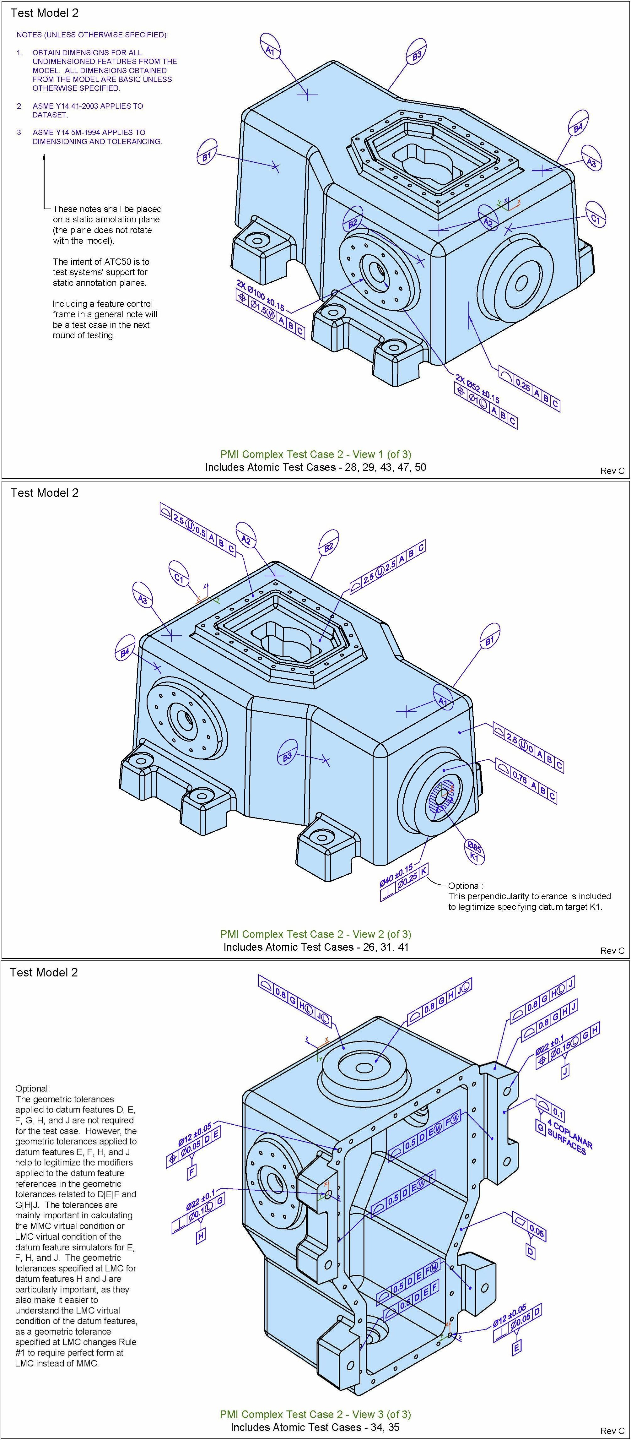
Graphic PMI Names | Count | Test Case Drawing
angularity
circular runout
circularity
coaxiality
concentricity
cylindricity
flatness | 1
parallelism
perpendicularity | 3
position | 4
profile of line | 1
profile of surface | 13
roundness
straightness
symmetry
total runout
general tolerance
linear dimension
radial dimension
diameter dimension | 7
angular dimension
ordinate dimension
curve dimension
general dimension
datum | 6
datum target | 9
note | 2
label
surface roughness
weld symbol
general note

See Help > Analyzer > PMI Coverage Analysis

