Comments
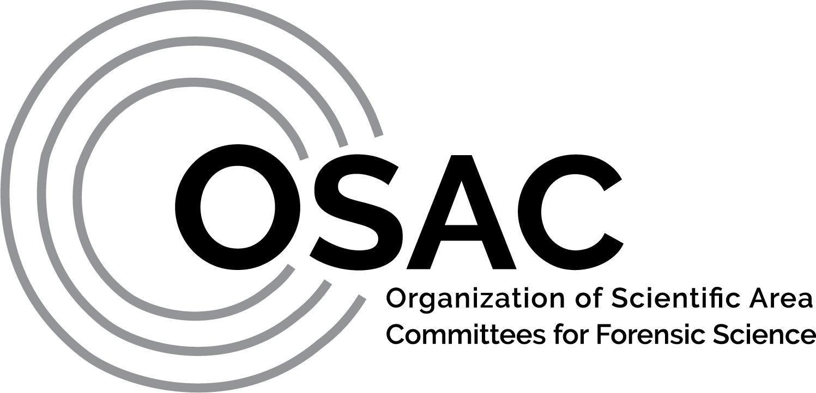
 | Standard Number |  |  | OSAC 2021-N-0026
 | Standard Title |  |  | Standard for Education and Training of Forensic Toxicology Personnel
 | Date of Open Comment Submission |  |  | 2021-07-06
 | Name of Commenter(s) |  |  | See various commenters below
 | Organization of Commenter (if any) |  |  | See various commenters below
 | Email Address of Commenter (will not be published) |  |  | See various commenters below
 | Overall Opinion: Should the OSAC Proposed Standard be placed on the OSAC Registry? |  |  | Suitable for the Registry | Requires revisions as listed in the table below.
 | Select One Option: |  |  |  | X

TABLE OF COMMENTS
# | Document Line Number | Name of Commenter | Select Comment Type: Editorial (E), General (G), Technical (T) | Current Language | Suggested Language or Revision | Rationale | Resolution /Disposition | Subcommittee Response/Rationale | Notes (optional field)
PUBLIC COMMENTS
1 | 42 | Catherine Knutson, Minnesota Bureau of Criminal Apprehension - Forensic Science Services | E | Certification - The recognition by an independent certifying body that an individual has acquired and demonstrated specialized knowledge, skills, and abilities. | OSAC Lexicon FSSB QTG Definition for Certification - Procedure by which a third party gives written assurance that a person, product, process, or service conforms to specific requirements. | Consider FSSB QTG OSAC Lexicon definition | Persuasive | Definition updated.
2 | 42 | American Society of Crime Laboratory Directors (ASCLD) | E | Certification - The recognition by an independent certifying body that an individual has acquired and demonstrated specialized knowledge, skills, and abilities. | OSAC Lexicon FSSB QTG Definition for Certification - Procedure by which a third party gives written assurance that a person, product, process, or service conforms to specific requirements. | Consider FSSB QTG OSAC Lexicon definition | Persuasive | Definition updated.
3 | 46 | Catherine Knutson, Minnesota Bureau of Criminal Apprehension - Forensic Science Services | E | Continuing Education - Ongoing trainng whereby personnel remain current, or advance to a higher level of expertise, specialization, or responsibility. | OSAC Lexicon FSSB QTG Definition for Continuing Education - An educational activity (such as a class, lecture series, conference, seminar, or short course) that is offered by a recognized organization or individual that updates participants in their relevant area of knowledge. | Consider FSSB QTG OSAC Lexicon definition | Persuasive | Definition updated.
4 | 46 | American Society of Crime Laboratory Directors (ASCLD) | E | …whereby personnel remain current… | Add the word "in" after "current" | Addition of "in" links the descripters of higher level of expertise, specialization, or responsibility. | Not persuasive. | Language removed as definition was updated to FSSB QTG lexicon definition.
5 | 46 | American Society of Crime Laboratory Directors (ASCLD) | E | Continuing Education - Ongoing trainng whereby personnel remain current, or advance to a higher level of expertise, specialization, or responsibility. | OSAC Lexicon FSSB QTG Definition for Continuing Education - An educational activity (such as a class, lecture series, conference, seminar, or short course) that is offered by a recognized organization or individual that updates participants in their relevant area of knowledge. | Consider FSSB QTG OSAC Lexicon definition | Persuasive | Definition updated.
6 | 48 | Catherine Knutson, Minnesota Bureau of Criminal Apprehension - Forensic Science Services | E | Course - An officially recognized program of instruction that is taught through an accreditated college or university program in which the student's successful completion is documented by an official record of the institution | Remove this definition OR do not use the term "course" when describing "Supplemental training" throughout the document. | Current definition of course requires it to be from a college or university program. Supplemental Training allows for 40-hour "course" which is generally not obtained from a college or university. Using the term 'course' for Supplemental training limits where this training can be obtained which would exclude the majority of available training options. | Persuasive | Removed "course" from description of supplemental training.
7 | 48 | American Society of Crime Laboratory Directors (ASCLD) | E | Course - An officially recognized program of instruction that is taught through an accreditated college or university program in which the student's successful completion is documented by an official record of the institution | Remove this definition OR do not use the term "course" when describing "Supplemental training" throughout the document. | Current definition of course requires it to be from a college or university program. Supplemental Training allows for 40-hour "course" which is generally not obtained from a college or university. Using the term 'course' for Supplemental training limits where this training can be obtained which would exclude the majority of available training options. | Persuasive | Removed "course" from description of supplemental training.
8 | 66 | Catherine Knutson, Minnesota Bureau of Criminal Apprehension - Forensic Science Services | T | Technician - An individual (however named) who performs basic analytical functions but does not evaluate data, reach conclusions or sign a report for court or investigative purposes. | OSAC Lexicon FSSB QTG Definition for Technician - An organiation employee who performs analytical techniqes on forensic samples under the supervision of a qualified analyst. Technicians generally do not interpret data, reach conclusions, or prepare final reports. | Any report has the potential to be used in court including a report limited to general information regarding the activities conducted by the technician. How and when reporting occurs is specific to a laboratory system and dependent upon the workflow employed by that lab. The FSSB QTG definition included in the OSAC Lexicon allows some flexibility while capturing the important limitations to a technician's freedom to act. | Persuasive | Definition updated.
9 | 66 | American Society of Crime Laboratory Directors (ASCLD) | T | Technician - An individual (however named) who performs basic analytical functions but does not evaluate data, reach conclusions or sign a report for court or investigative purposes. | OSAC Lexicon FSSB QTG Definition for Technician - An organiation employee who performs analytical techniqes on forensic samples under the supervision of a qualified analyst. Technicians generally do not interpret data, reach conclusions, or prepare final reports. | Any report has the potential to be used in court including a report that merely includes general information regarding the activities conducted by the technician. How and when reporting occurs is specific to a laboratory system and dependent upon the workflow employed by that lab. The FSSB QTG definition included in the OSAC Lexicon allows some flexibility while capturing the important limitations to a technician's freedom to act. | Persuasive | Definition updated.
10 | 72 | Catherine Knutson, Minnesota Bureau of Criminal Apprehension - Forensic Science Services | T | Toxicology Supervisor - An individual (however named) who is responsible for the technical and administrative oversight of the toxicology laboratory. | Remove the term "supervisor" and replace with "technical lead" or similar and remove "and administrative oversight". | Supervisor' is usually a classification of employment that may or may not include technical leadership duties. The supervisor of a section may be limited to the administrative duties that are not within the scope of this document. Administrative duties are specifically excluded per the Scope of the standard. | Persuasive - general idea was addressed based on many similar comments | Replaced with "Technical Leader" and removed "administrative oversight"
11 | 72 | American Society of Crime Laboratory Directors (ASCLD) | T | Toxicology Supervisor - An individual (however named) who is responsible for the technical and administrative oversight of the toxicology laboratory. | Remove the term "supervisor" and replace with "technical lead" or similar and remove "and administrative oversight". | Supervisor' is usually a classification of employment that may or may not include technical leadership duties. The supervisor of a section may be limited to the administrative duties that are not within the scope of this document. Administrative duties are specifically excluded per the Scope of the standard. | Persuasive - general idea was addressed based on many similar comments | Replaced with "Technical Leader" and removed "administrative oversight"
12 | 82 | American Society of Crime Laboratory Directors (ASCLD) | E | Associates degree | Associate's degree | correction | Persuasive | Revised as suggested.
...

