READ ME
Project Name | Interlaboratory Comparison Study for NIST RGTM 10279: Textiles for Feedstock Identification
Project email |  | fibrils@nist.gov
Technical contacts | Amanda Forster | amanda.forster@nist.gov
 | Katarina Goodge | katarina.goodge@nist.gov

Instructions

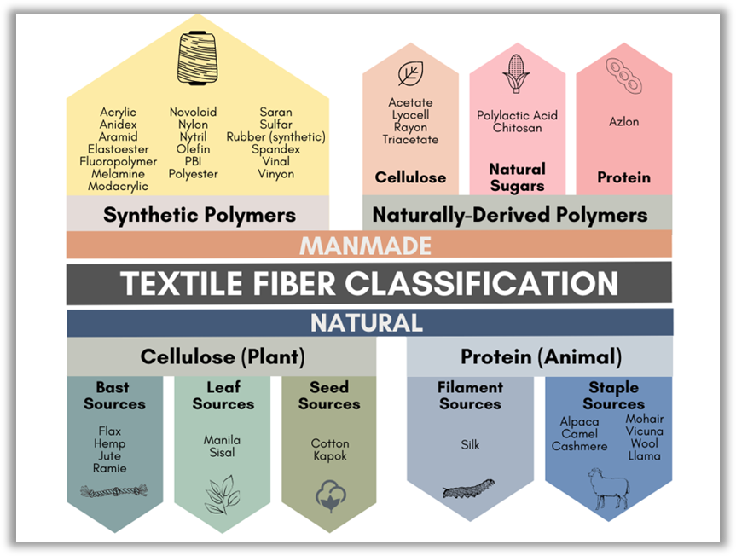
Fiber prediction method | No prescribed method. Please describe your method in the Feedback Form.
General | For each fabric repeat, fill in information to the corresponding columns for each component identified. For example, if you have identified a single component, leave component 2 - 6 empty. If you have identified more than 6 components, please copy the column format for the additional components.
Component type | For fiber type, be as specific as possible. For example, 'Cellulosic' is acceptable; 'Cotton' or 'Flax' or 'Lyocell' is even better. A nonexhaustive list of fibers are displayed in the graphic to the right.
Component percentage | For fiber percentage, please fill in a whole number (decimals are okay). For each fabric, the fiber percentages should add up to 100.
Probability/uncertainty | For probability/uncertainty, please fill in what is relevant to your process. You will be able to describe the metric you chose in a later section.

