Introduction
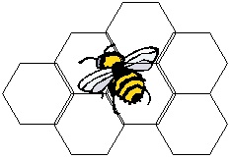

Manufacturer-Specific Questionnaire for BEES Online

Company Contact Information
 | Person in Charge of Completing Questionnaire:
 | Your address:

 | Tel:
 | Email:

Site Information
 | Site Name:
 | Site Location:

 | Products Produced at the site | Name of Product | Quantity Produced per Year
 | and their quantity:

 | Date Questionnaire Completed:

Published LCA Data on Your Product
Is there an LCA study or published EPD we can refer to?

 |  | Questionnaire updated January 2020

